SERGIO TACCHINI SNEAKERS
 | SERGIO TACCHINI SNEAKERS
PHOTO | LINE | REF | STYLE | COLOR | PACK |  |  |  |  |  |  | TOTAL PACK | QTY | RETAIL | TOTAL
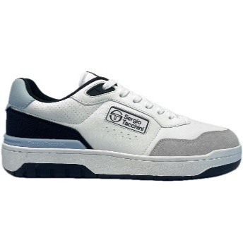 | MENS SNEAKERS STREET | PP12STM527003-4849 | LIVORNO | 4849 - WHITE/MARITIME BLUE/BALLAD BLUE | PACK 12 |  |  |  |  |  |  | 191 | 2,292 | 64.99 € | 148,957.08 €
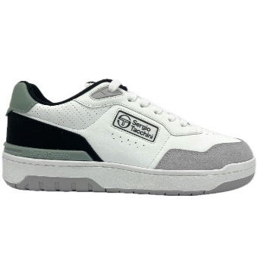 | MENS SNEAKERS STREET | PP12STM527003-4850 | LIVORNO | 4850-WHITE/GREY/ICEBERG GREEN | PACK 12 |  |  |  |  |  |  | 97 | 1,164 | 64.99 € | 75,648.36 €
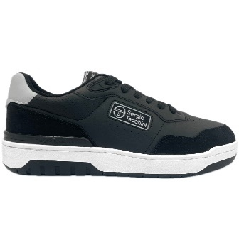 | MENS SNEAKERS STREET | PP12STM527003-4853 | LIVORNO | 4853-BLACK/BLACK/DAWN BLUE | PACK 12 |  |  |  |  |  |  | 291 | 3,492 | 64.99 € | 226,945.08 €
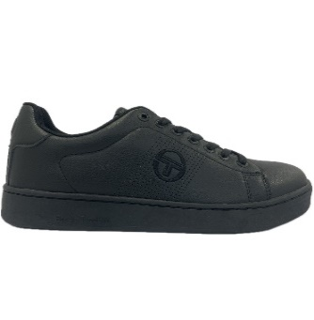 | MENS SNEAKERS STREET | PP12STM527225-0562 | GRAN TORINO REFRESH | 0562-BLACK/BLACK | PACK 12 |  |  |  |  |  |  | 390 | 4,680 | 49.99 € | 233,953.20 €
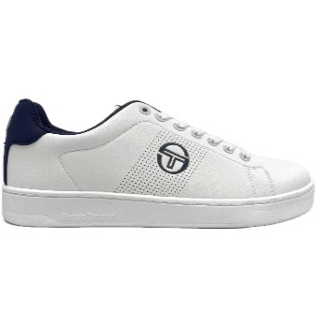 | MENS SNEAKERS STREET | PP12STM527225-3582 | GRAN TORINO REFRESH | 3582-WHITE/WHITE/NAVY | PACK 12 |  |  |  |  |  |  | 392 | 4,704 | 49.99 € | 235,152.96 €
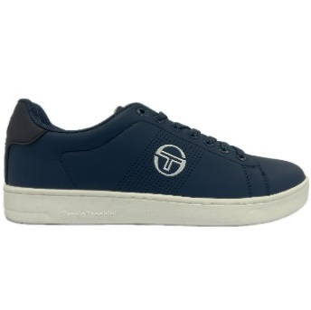 | MENS SNEAKERS STREET | PP12STM527225-4854 | GRAN TORINO REFRESH | 4854-VINTAGE INDIGO/GARDENIA/NAVY | PACK 12 |  |  |  |  |  |  | 294 | 3,528 | 49.99 € | 176,364.72 €
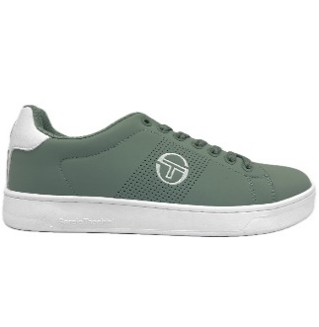 | MENS SNEAKERS STREET | PP12STM527225-4855 | GRAN TORINO REFRESH | 4855-ICEBERG GREEN/WHITE | PACK 12 |  |  |  |  |  |  | 98 | 1,176 | 49.99 € | 58,788.24 €
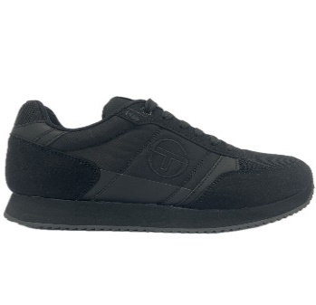 | MENS SNEAKERS STREET | PP12STM423100-0562 | BERGAMO | 0562-BLACK/BLACK | PACK 12 |  |  |  |  |  |  | 389 | 4,668 | 64.99 € | 303,373.32 €
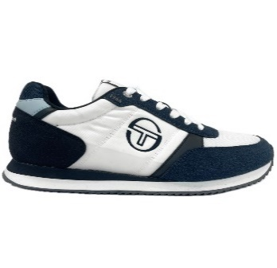 | MENS SNEAKERS STREET | PP12STM423100-4858 | BERGAMO | 4858-WHITE/WHITE/VINTAGE INDIGO | PACK 12 |  |  |  |  |  |  | 248 | 2,976 | 64.99 € | 193,410.24 €
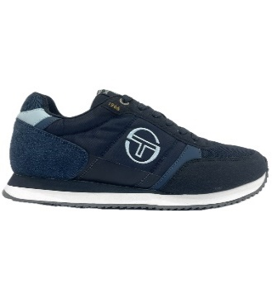 | MENS SNEAKERS STREET | PP12STM423100-4859 | BERGAMO | 4859-NAVY/WHITE/VINTAGE INDIGO | PACK 12 |  |  |  |  |  |  | 144 | 1,728 | 64.99 € | 112,302.72 €
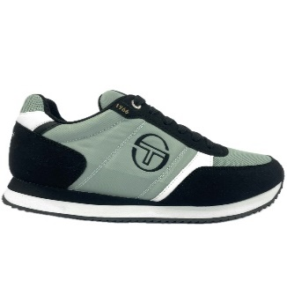 | MENS SNEAKERS STREET | PP12STM423100-4860 | BERGAMO | 4860-ICEBERG GREEN/WHITE/BLACK | PACK 12 |  |  |  |  |  |  | 148 | 1,776 | 64.99 € | 115,422.24 €
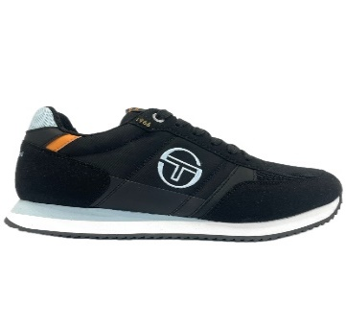 | MENS SNEAKERS STREET | PP12STM423100-4861 | BERGAMO | 4861-BLACK/WHITE/BALLAD BLUE | PACK 12 |  |  |  |  |  |  | 389 | 4,668 | 64.99 € | 303,373.32 €
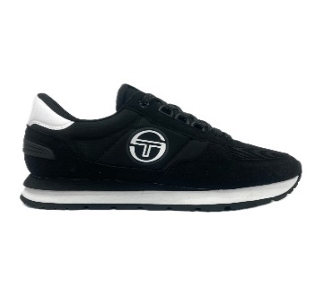 | MENS SNEAKERS STREET | PP12STM523002-0008 | VENEZIA | 0008-BLACK/WHITE | PACK 12 |  |  |  |  |  |  | 489 | 5,868 | 79.99 € | 469,381.32 €
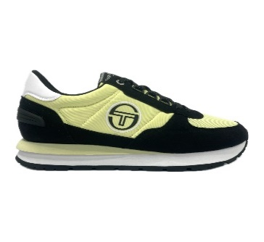 | MENS SNEAKERS STREET | PP12STM523002-4876 | VENEZIA | 4876-WAX YELLOW/WHITE/BLACK | PACK 12 |  |  |  |  |  |  | 89 | 1,068 | 79.99 € | 85,429.32 €
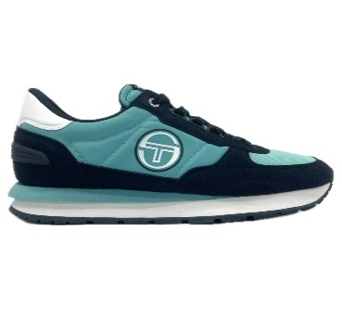 | MENS SNEAKERS STREET | PP12STM523002-4877 | VENEZIA | 4877-POOL BLUE/WHITE/NAVY | PACK 12 |  |  |  |  |  |  | 119 | 1,428 | 79.99 € | 114,225.72 €
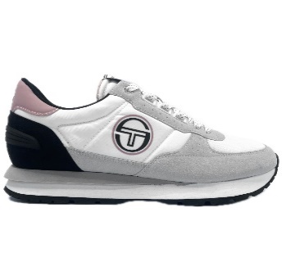 | MENS SNEAKERS STREET | PP12STM523002-4878 | VENEZIA | 4878-WHITE/WHITE/ROSE ELEGANCE | PACK 12 |  |  |  |  |  |  | 109 | 1,308 | 79.99 € | 104,626.92 €
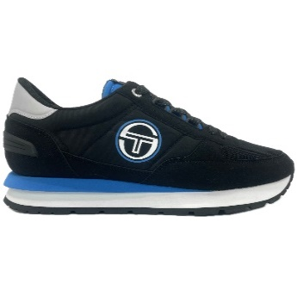 | MENS SNEAKERS STREET | PP12STM523002-4879 | VENEZIA | 4879-BLACK/WHITE/BRILLIANT BLUE | PACK 12 |  |  |  |  |  |  | 284 | 3,408 | 79.99 € | 272,605.92 €
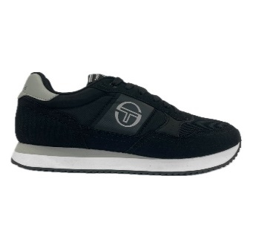 | MENS SNEAKERS STREET | PP12STM513120-4865 | MONZA | 4865-BLACK/WHITE/ABBEY STONE | PACK 12 |  |  |  |  |  |  | 289 | 3,468 | 74.99 € | 260,065.32 €
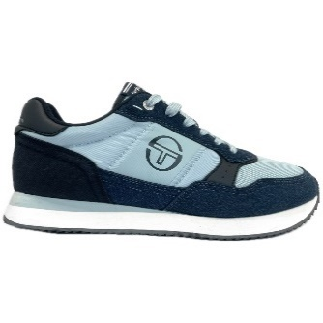 | MENS SNEAKERS STREET | PP12STM513120-4866 | MONZA | 4866-BALLAD BLUE/WHITE/VINTAGE INDIGO | PACK 12 |  |  |  |  |  |  | 98 | 1,176 | 74.99 € | 88,188.24 €
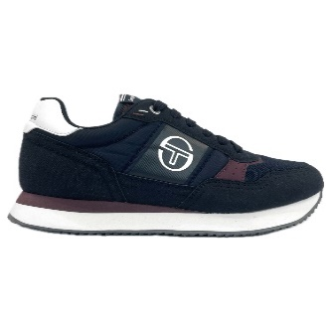 | MENS SNEAKERS STREET | PP12STM513120-4867 | MONZA | 4867-MARITIME BLUE/WHITE/FIG | PACK 12 |  |  |  |  |  |  | 194 | 2,328 | 74.99 € | 174,576.72 €
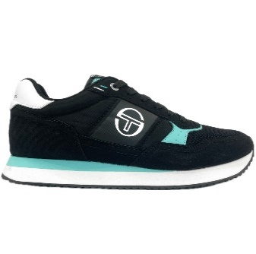 | MENS SNEAKERS STREET | PP12STM513120-4868 | MONZA | 4868-BLACK/WHITE/POOL BLUE | PACK 12 |  |  |  |  |  |  | 395 | 4,740 | 74.99 € | 355,452.60 €
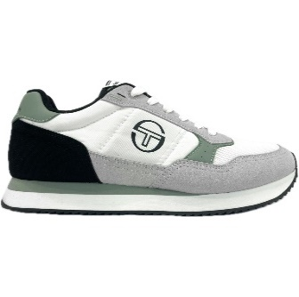 | MENS SNEAKERS STREET | PP12STM513120-4869 | MONZA | 4869WHITE/WHITE/ICEBERG GREEN | PACK 12 |  |  |  |  |  |  | 245 | 2,940 | 74.99 € | 220,470.60 €
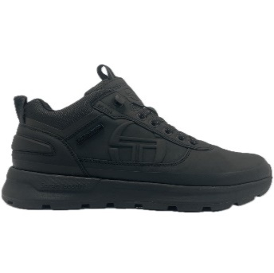 | MENS CITY HIKER | PP12STM421020-0562 | CORTINA | 0562-BLACK/BLACK | PACK 12 |  |  |  |  |  |  | 84 | 1,008 | 79.99 € | 80,629.92 €
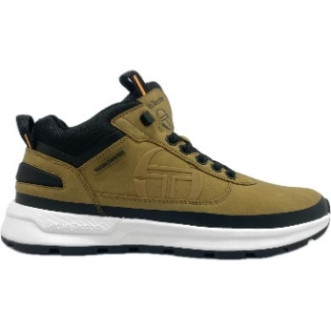 | MENS CITY HIKER | PP12STM421020-2180 | CORTINA | 2180-CAMEL/BLACK CARRYOVER | PACK 12 |  |  |  |  |  |  | 189 | 2,268 | 79.99 € | 181,417.32 €
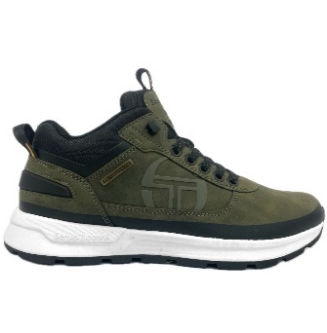 | MENS CITY HIKER | PP12STM421020-3759 | CORTINA | 3759-DARK/KHAKI CARRYOVER | PACK 12 |  |  |  |  |  |  | 142 | 1,704 | 79.99 € | 136,302.96 €
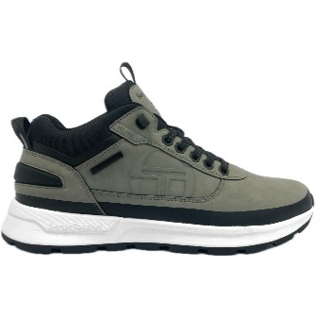 | MENS CITY HIKER | PP12STM421020-4856 | CORTINA | 4856-ABBEY STONE/WHITE/BLACK | PACK 12 |  |  |  |  |  |  | 142 | 1,704 | 79.99 € | 136,302.96 €
TOTAL SERGIO TACCHINI SNEAKERS |  |  |  |  |  |  |  |  |  |  |  | 5,939 | 71,268 | 68.24 € | 4,863,367.32 €
 |  |  |  |  | PACK 12 | 40 | 41 | 42 | 43 | 44 | 45
 |  |  |  |  |  | 1 | 2 | 3 | 3 | 2 | 1

